Maxmization
Sarah has a new puppy and she wants to maximize her outdoor time, so she builds the puppy a fenced in play area. She has 40 feet of fencing, and she wants to fence off a recangular area next to her house. The house will be one side of the play area, so that side needs no fencing. In order for the puppy to have adequate space, the area needs to be at least 5 feet long and 5 feet wide. What is the largest area she could have? Is there a smallest area she could have if she wants to use all 40 feet of fencing?
 | Width | Length | Area
 | 10 | 20 | 200

Max | 1 | 1 | 200

subject to | 20 | 20 | 40 | = | 40
 | 1 |  | 10 | >= | 5
 |  | 1 | 20 | >= | 5
Constraints:
2W+4L=40
W >=5
L >= 5
Use Data Solver Add in. For max question set to max, for min set to min.
House wall
Width
Width
Length

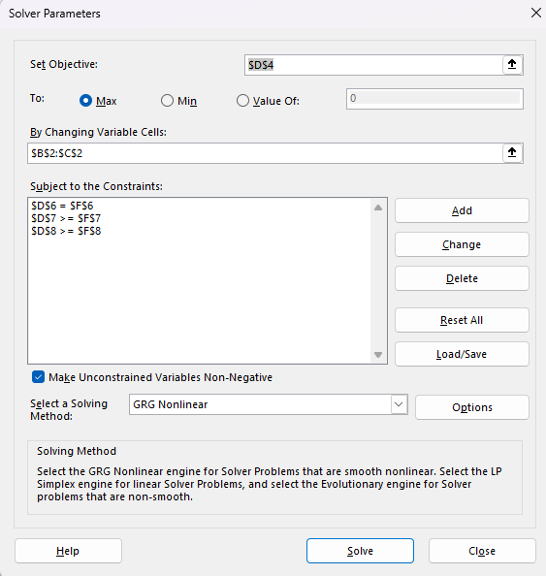

The PRODUCT function is useful when you need to multiply many cells together. For example, the formula =PRODUCT(A1:A3, C1:C3) is equivalent to =A1 * A2 * A3 * C1 * C2 * C3.

Minimization
Sarah has a new puppy and she wants to maximize her outdoor time, so she builds the puppy a fenced in play area. She has 40 feet of fencing, and she wants to fence off a recangular area next to her house. The house will be one side of the play area, so that side needs no fencing. In order for the puppy to have adequate space, the area needs to be at least 5 feet long and 5 feet wide. What is the largest area she could have? Is there a smallest area she could have if she wants to use all 40 feet of fencing?
 | Width | Length | Area
 | 17.5 | 5 | 87.5

Min | 1 | 1 | 87.5

subject to | 35 | 5 | 40 | = | 40
 | 1 |  | 17.5 | >= | 5
 |  | 1 | 5 | >= | 5
Constraints:
2W+4L=40
W >=5
L >= 5

House wall
Width
Width
Length

Mathematically Solving the Prob
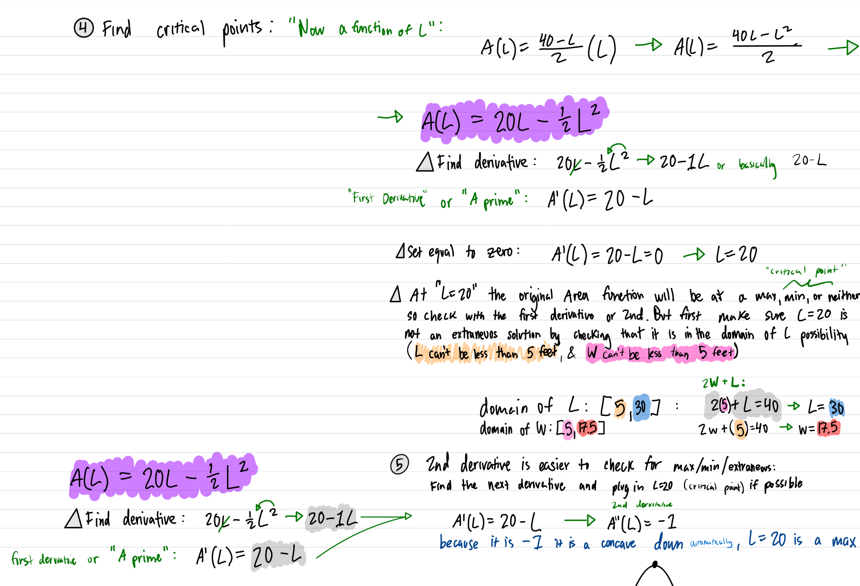
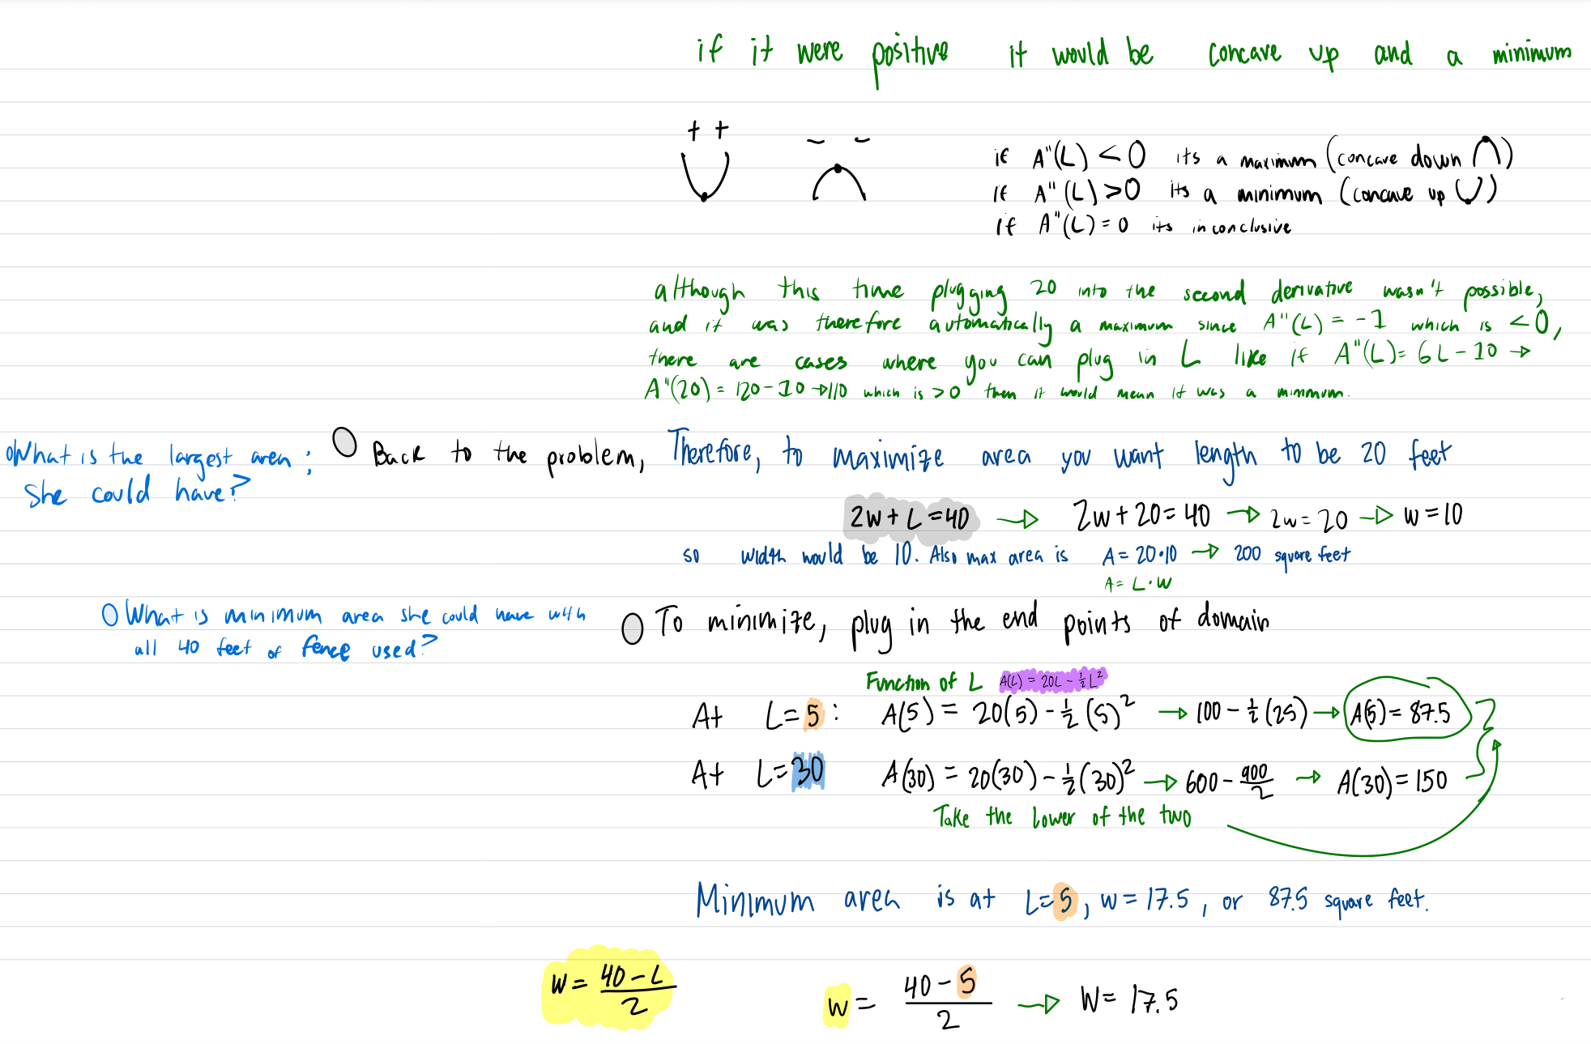
Sarah has a new puppy and she wants to maximize her outdoor time, so she builds the puppy a fenced in play area. She has 40 feet of fencing, and she wants to fence off a recangular area next to her house. The house will be one side of the play area, so that side needs no fencing. In order for the puppy to have adequate space, the area needs to be at least 5 feet long and 5 feet wide. What is the largest area she could have? Is there a smallest area she could have if she wants to use all 40 feet of fencing?

